Sheet1
Small Djembe: 400 Pieces |  |  | Segments per Ring: 16 |  |  | Thickness: .75 |  | Angle: 11.25
 | Board |  | Segment | Diameter | Species
Row | Width | Length | S.E.L. | Outer | Purpl | Lgth | Holly | Lgth | Dimensions: 18.75" Tall x 9.7" Diameter Head
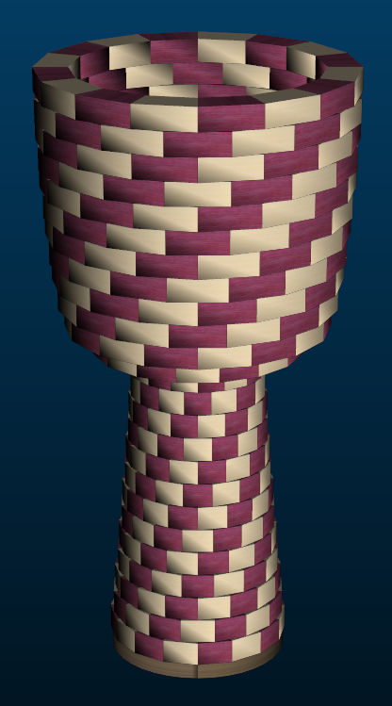
1 | 2.37 | 12 | 1.102 | 5.5" | 8 | 5.9 | 8 | 5.9
2 | 2.03 | 12.6 | 1.074 | 5.4" | 8 | 6.2 | 8 | 6.2
3 | 1.68 | 13.2 | 1.042 | 5.2" | 8 | 6.6 | 8 | 6.6
4 | 1.34 | 13.9 | 1.014 | 5.1" | 8 | 6.9 | 8 | 6.9
5 | 1.06 | 14.3 | 0.987 | 5" | 8 | 7.1 | 8 | 7.1
6 | 0.86 | 14.6 | 0.963 | 4.8" | 8 | 7.2 | 8 | 7.2
7 | 0.92 | 14 | 0.939 | 4.7" | 8 | 6.9 | 8 | 6.9
8 | 1.02 | 13.3 | 0.915 | 4.6" | 8 | 6.6 | 8 | 6.6
9 | 1.15 | 12.5 | 0.891 | 4.5" | 8 | 6.2 | 8 | 6.2
10 | 1.3 | 11.7 | 0.871 | 4.4" | 8 | 5.8 | 8 | 5.8
11 | 1.44 | 10.9 | 0.851 | 4.3" | 8 | 5.4 | 8 | 5.4
12 | 1.58 | 10.2 | 0.835 | 4.2" | 8 | 5.1 | 8 | 5.1
13 | 1.7 | 9.9 | 0.835 | 4.2" | 8 | 4.9 | 8 | 4.9
14 | 2.84 | 13.5 | 1.289 | 6.5" | 8 | 6.7 | 8 | 6.7
15 | 2.24 | 20.7 | 1.619 | 8.1" | 8 | 10.3 | 8 | 10.3
16 | 1.11 | 25.7 | 1.707 | 8.6" | 8 | 12.8 | 8 | 12.8
17 | 0.97 | 27 | 1.758 | 8.8" | 8 | 13.4 | 8 | 13.4
18 | 0.92 | 27.8 | 1.798 | 9" | 8 | 13.8 | 8 | 13.8
19 | 0.91 | 28.3 | 1.83 | 9.2" | 8 | 14.1 | 8 | 14.1
20 | 0.91 | 28.7 | 1.858 | 9.3" | 8 | 14.3 | 8 | 14.3
21 | 0.92 | 29.1 | 1.886 | 9.5" | 8 | 14.5 | 8 | 14.5
22 | 0.91 | 29.5 | 1.906 | 9.6" | 8 | 14.7 | 8 | 14.7
23 | 0.9 | 29.8 | 1.921 | 9.7" | 8 | 14.8 | 8 | 14.8
24 | 0.9 | 30 | 1.937 | 9.7" | 8 | 15 | 8 | 15
25 | 1.06 | 29.5 | 1.937 | 9.7" | 8 | 14.7 | 8 | 14.7
 |  |  |  |  | 200 | 239.9 | 200 | 239.9

